Arkusz1
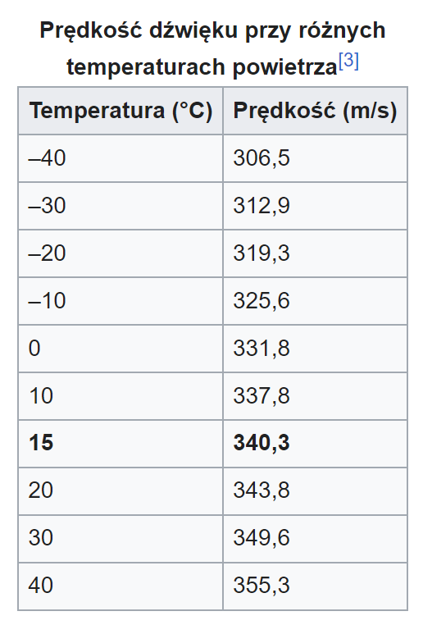
Lp. | 2,5 kHz |  | 2,75 kHz |  | 3 kHz |  |  | λ - 2,5 kHz [m] | λ - 2,75 kHz [m] | λ - 3 kHz [m]
 | s1 [m] | s2 [m] | s1 [m] | s2 [m] | s1 [m] | s2 [m] |  | 1.3 | 0.90 | 1.2
1 | 0.23 | 0.9 | 0.57 | 0.99 | 0.28 | 0.79 | U(λ) | 1.6E-02 | 1.6E-02 | 1.6E-02
2 | 0.22 | 0.94 | 0.6 | 1.2 | 0.3 | 0.88 |  | 1,3 ± 1,6E-02 m | 0,90 ± 1,6E-02 m | 1,2 ± 1,6E-02 m
3 | 0.2 | 1 | 0.56 | 0.99 | 0.22 | 0.9 |  | υ - 2,5 kHz [m/s] | υ - 2,75 kHz [m/s] | υ - 3 kHz [m/s]
4 | 0.27 | 0.88 | 0.62 | 0.98 | 0.22 | 0.86 |  | 330 | 246 | 352
5 | 0.27 | 0.88 | 0.63 | 1.15 | 0.2 | 0.86 | U(υ) | 19.5 | 4.5 | 4.9
6 | 0.28 | 0.88 | 0.61 | 0.98 | 0.28 | 0.82 |  | 331 ± 4,1 m/s | 246 ± 4,5 m/s | 352 ± 4,9 m/s
7 | 0.28 | 0.97 | 0.59 | 0.99 | 0.27 | 0.86
8 | 0.28 | 0.88 | 0.61 | 0.98 | 0.25 | 0.86
9 | 0.28 | 0.98 | 0.54 | 0.99 | 0.27 | 0.82
10 | 0.27 | 0.88 | 0.6 | 1.16 | 0.29 | 0.8
AVG | 0.258 | 0.919 | 0.593 | 1.041 | 0.258 | 0.845
 | AVG - s1 | AVG - s2 | AVG - s1 | AVG - s2 | AVG - s1 | AVG - s2
1 | 0.028 | 0.019 | 0.023 | 0.051 | -0.022 | 0.055
2 | 0.038 | -0.021 | -0.007 | -0.159 | -0.042 | -0.035
3 | 0.058 | -0.081 | 0.033 | 0.051 | 0.038 | -0.055
4 | -0.012 | 0.039 | -0.027 | 0.061 | 0.038 | -0.015
5 | -0.012 | 0.039 | -0.037 | -0.109 | 0.058 | -0.015
6 | -0.022 | 0.039 | -0.017 | 0.061 | -0.022 | 0.025
7 | -0.022 | -0.051 | 0.003 | 0.051 | -0.012 | -0.015
8 | -0.022 | 0.039 | -0.017 | 0.061 | 0.008 | -0.015
9 | -0.022 | -0.061 | 0.053 | 0.051 | -0.012 | 0.025
10 | -0.012 | 0.039 | -0.007 | -0.119 | -0.032 | 0.045
 | (AVG - s1)^2 | (AVG - s2)^2 | (AVG - s1)^2 | (AVG - s2)^2 | (AVG - s1)^2 | (AVG - s2)^2
1 | 0.000784 | 0.000361 | 0.000529 | 0.002601 | 0.000484 | 0.003025
2 | 0.001444 | 0.000441 | 0.000049 | 0.025281 | 0.001764 | 0.001225
3 | 0.003364 | 0.006561 | 0.001089 | 0.002601 | 0.001444 | 0.003025
4 | 0.000144 | 0.001521 | 0.000729 | 0.003721 | 0.001444 | 0.000225
5 | 0.000144 | 0.001521 | 0.001369 | 0.011881 | 0.003364 | 0.000225
6 | 0.000484 | 0.001521 | 0.000289 | 0.003721 | 0.000484 | 0.000625
7 | 0.000484 | 0.002601 | 0.000009 | 0.002601 | 0.000144 | 0.000225
8 | 0.000484 | 0.001521 | 0.000289 | 0.003721 | 0.000064 | 0.000225
9 | 0.000484 | 0.003721 | 0.002809 | 0.002601 | 0.000144 | 0.000625
10 | 0.000144 | 0.001521 | 0.000049 | 0.014161 | 0.001024 | 0.002025
Ua | 8.8E-05 | 2.4E-04 | 8.0E-05 | 8.1E-04 | 1.2E-04 | 1.3E-04
Ub | 5.8E-03 | 5.8E-03 | 5.8E-03 | 5.8E-03 | 5.8E-03 | 5.8E-03
Uc | 5.8E-03 | 5.8E-03 | 5.8E-03 | 5.8E-03 | 5.8E-03 | 5.8E-03

Ub(f) | 0.06

